bugs
 | bugs from link automatepractice

1 | Project | automatepractice web
 | issue type | improvement
 | Template | Shopping cart summary
 | Summary | Add pop up warning when change quantity is null
 | Priority | major
 | Due Date | 14- July-2018
 | Components | Developer
 | fix version | None
 | Assignee | Bryan mintaraga
 | Reporter | Desi Afyani
 | Description | Need add pop up warning if quantity is null "0" Expected result : "Are you sure to exit the product from the cart?"
 | Attachment | 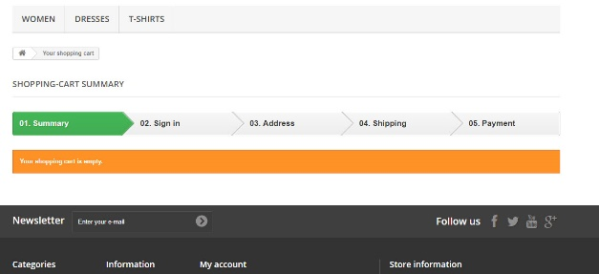

2 | Project | automatepractice web
 | issue type | improvement
 | Template | Shopping cart summary
 | Summary | Error 500 when adding quantity quickly
 | Priority | major
 | Due Date | 14- July-2018
 | Components | Developer
 | fix version | None
 | Assignee | Bryan mintaraga
 | Reporter | Desi Afyani
 | Description | Error 500 when adding quantity product quickly Actual result : "500 Server error?"
 | Attachment | 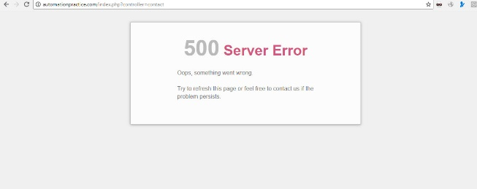

3 | Project | automatepractice web
 | issue type | improvement
 | Template | Create account
 | Summary | Fix issue typo pop up error message
 | Priority | minor
 | Due Date | 14- July-2018
 | Components | Developer
 | fix version | None
 | Assignee | Bryan mintaraga
 | Reporter | Desi Afyani
 | Description | typo pop up error message Actual result : "passwd?" Expected result : "password"
 | Attachment | 

 | Project | automatepractice web
 | issue type | improvement
 | Template | categories
 | Summary | categories no parallel
 | Priority | minor
 | Due Date | 14- July-2018
 | Components | Developer
 | fix version | None
 | Assignee | Bryan mintaraga
 | Reporter | Desi Afyani
 | Description | typo pop up error message Actual result : categories no parallel Expected result : categories must be parallel
 | Attachement | 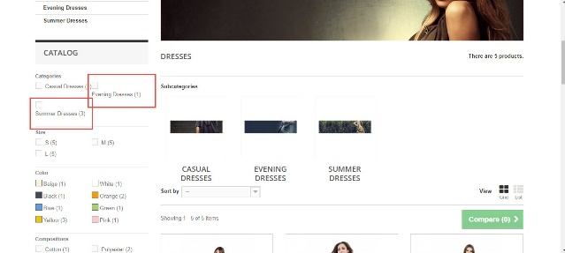

 | Project | automatepractice web
 | issue type | improvement
 | Template | sub categories photo
 | Summary | fix issue photo on sub categories no display full screen
 | Priority | minor
 | Due Date | 14- July-2018
 | Components | Developer
 | fix version | None
 | Assignee | Bryan mintaraga
 | Reporter | Desi Afyani
 | Description | typo pop up error message Actual result : photo on sub categories no dsplay full screen Expected result : photo on sub categories must be full screen
 | Attachement | 